EDA
Data Info
 | Recording | 正式实验3
 | Subject | 区嘉伟
 | Create Time | 2023-11-15 15:24:34.907
 | Data Name | Finger8 EDA
 | Data Type | EDA
 | Sample Rate | 64
 | Segment | 后静息态
 | Start Time | 0:57:44
 | End Time | 1:02:44
 | Duration | 0:05:00

Replay Chart
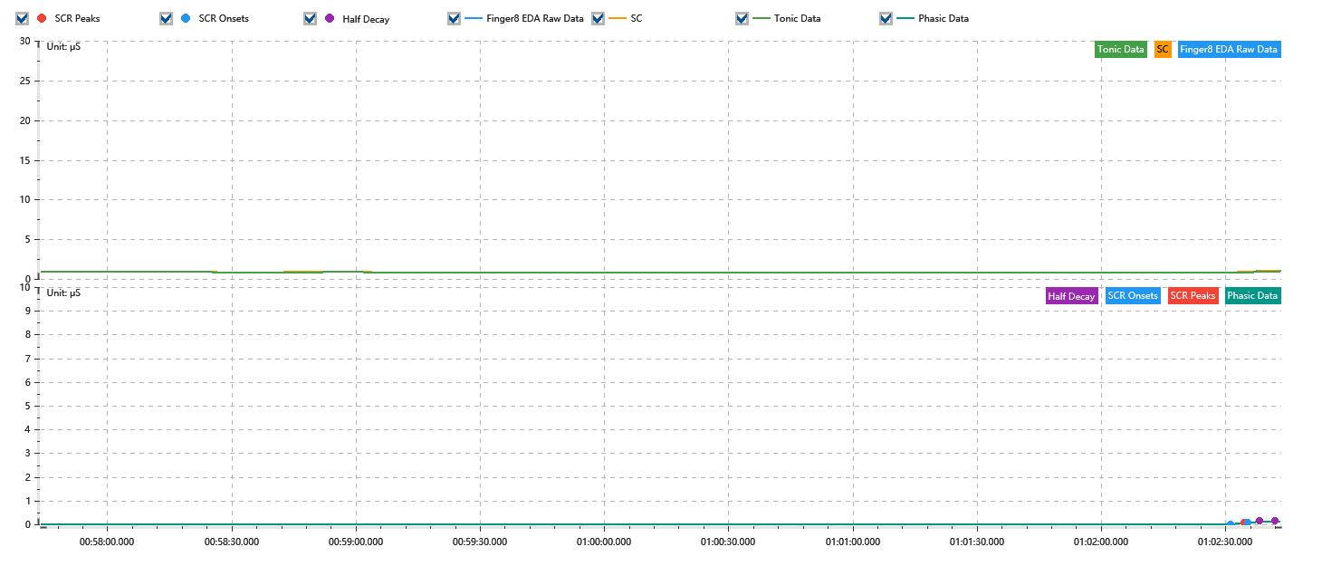

Process parameters
 | Filters
 | Smooth denoise | Enabled | 高斯 | 5(samples)
 | Lowpass filter | Enabled | 5μS
 | Skin Conductance Response
 | SCR extraction | Minimum SCR amplitude | 0.03μS
 | SCR extraction | Max rise time | 4s
 | SCR extraction | Max half decay time | 4s
 | SCR extraction | Peak dection sensitivity | 中
 | Event related activation | Window relative to event | 1s | 4s

Time Domain
 | Data | Mean | Max | Min | Std | Variance | Polar Distance | Data Length
 | SC | 0.84μS | 1.03μS | 0.81μS | 0.03μS | 0μS² | 0.22μS | 1200
 | Tonic | 0.83μS | 0.92μS | 0.8μS | 0.02μS | 0μS² | 0.12μS | 1200
 | Phasic | 0.01μS | 0.13μS | 0μS | 0.02μS | 0μS² | 0.13μS | 1200

SCR
 | OnsetTime | PeakTime | RiseTime | HalfDecayTime | Amp
 | 0.043417002315 | 0.043454618056 | 3.25s | 3.75s | 0.05μS
 | 0.04346619213 | 0.043498020833 | 2.75s | 3.75s | 0.07μS

Event Related
 | Event Group | Event Name | Event Description | EventTime | SCRCount | Latency | AmpSum | SCL | Half Decay Time Avg. | Rise Decay Time Avg.
 | Custom | 后静息态采集结束 |  | 0.043404074074 | 0 | 0s | 0μS | 0.82μS | 0s | 0s

